Installation
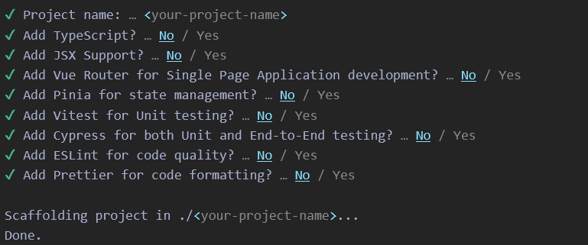

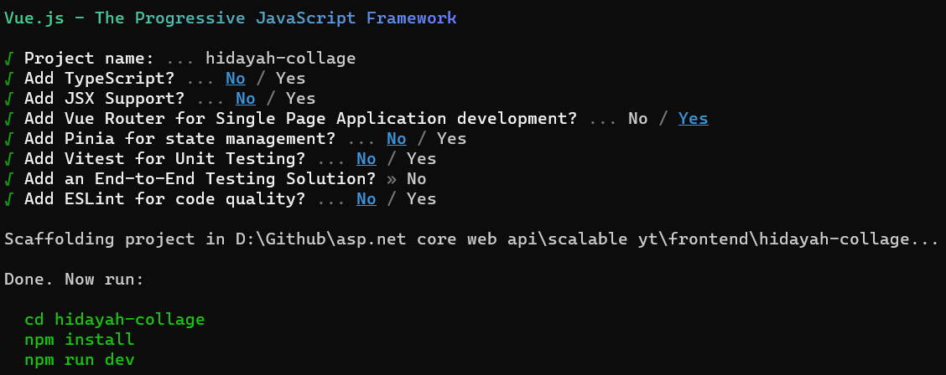

Install Bootsrap 5

Install Poppers

Install vue-router dan axios

Install toast notification

vue-password
npm add vue-password

npm i --save vue3-loading-screen
npm install epic-spinners --save

npm i vee-validate --save

npm install -S yup

npm install pinia

Sheet1
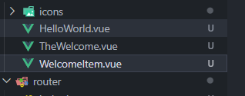
Hapus template dan style di App.vue

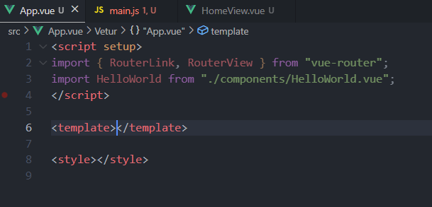

Hapus template di Home.Vue

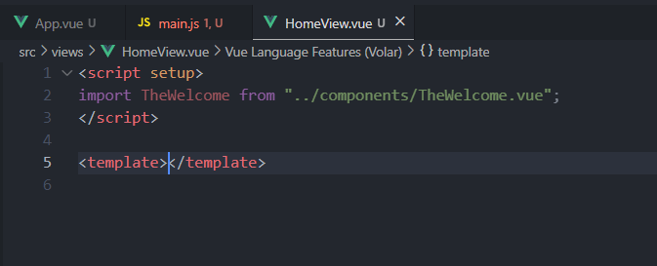

Hapus css di main.js

Hapus 3 Vue

sidebar
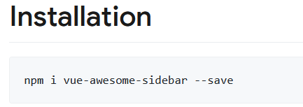

Sheet3
